Sheet1
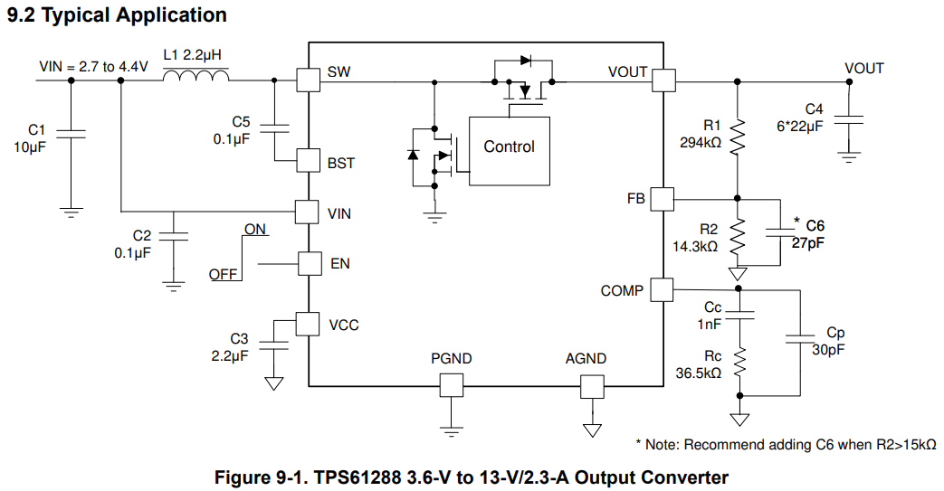
General Properties
Switching Frequency (Hz) | 500000
V_REF: Feedback regulation reference voltage (V) | 0.6
G_EA: Amplifier transconductance (uS) | 180
K_COMP: Power Stage Transconductance (A/V) | 13.5

Notes
Resistor R2 | Should be smaller than 300kOhms. Lower value increases immunity against noise injection.
Capacitor C6 | Reccommended when R2 is larger than 15kOhms
Inductor L1 | Should be between 1 uH and 4.7 uH. Higher inductance reduces inductor current ripple and increases output current capability

Input Capacitor C1 | Should be greater than 1uF
Bypass Capacitor C2 | Should be 0.1uF. Should be placed as close as possible to V_in pin
Output Capacitor C4 | Typically 3*22-uF ceramic capacitors. More can be used to improve load transient response

Configurations
Config | Input voltage (min) | Input voltage (max) | Input Voltage (Avg) | Output Voltage | Expected current draw | Output current rating | Output Load Resistance | Efficiency | R_2 Resistance | R_1 Resistance | L_1 Inductance | Referenced Input Voltage | Inductor DC Current | L_1 Peak-to-Peak Inductor Current Ripple | L_1 Current Rating (minimum) | Output Capacitor (C4) Capacitance | Output Capacitor (C4) ESR | Output Voltage Ripple (C4 charge/discahrge) | Output Voltage Ripple (C4 ESR) | Duty Cycle | f_RHPZ | Maximum Crossover Frequency | Chosen Crossover Frequency | R_c Resistance | C_c Capacitance | C_p Capacitance
Units: | V | V | V | V | A | A | Ohms | % | Ohms | Ohms | uH | V | A | A | A | uF | Ohms | V | V | % | Hz | Hz | Hz | Ohms | nF | pF
Application Circuit (datasheet) | 2.7 | 4.4 | 3.55 | 13 | 2.3 | 2.3 | 5.652173913 | 90.00% | 14300 | 295533.33333 | 2.2 | 3.55 | 9.358372457 | 2.345979021 | 10.531361967 | 132 | 0.001 | 0.027610722611 | 0.010531361967 | 81.31% | 14286.926474 | 2857.3852948 | 920 | 36396.911606 | 10.249316818 | 3.6266813357
5V Rail | 2.5 | 4.2 | 3.35 | 5 | 1.6 | 2 | 3.125 | 90.00% | 13700 | 100466.66667 | 2.2 | 3.35 | 3.3167495854 | 1.005 | 3.8192495854 | 132 | 0.001 | 0.015151515152 | 0.0038192495854 | 55.00% | 45779.653375 | 9155.930675 | 920 | 5814.8912034 | 35.469279267 | 22.700338731
9V Rail | 2.5 | 4.2 | 3.35 | 9 | 1.6 | 2 | 5.625 | 90.00% | 14300 | 200200 | 2.2 | 3.35 | 5.9701492537 | 1.9118686869 | 6.9260835972 | 132 | 0.001 | 0.021885521886 | 0.0069260835972 | 75.00% | 25433.140764 | 5086.6281528 | 920 | 18840.247499 | 19.705155148 | 7.0062773861

5V Rail Components
R1 | 0603WAF1372T5E | https://jlcpcb.com/partdetail/23520-0603WAF1372T5E/C22793
Resistance | 13.7k

R2 | 0603WAF1003T5E | https://jlcpcb.com/partdetail/26546-0603WAF1003T5E/C25803
Resistance | 100k

R_c | FRC0603F5761TS | https://jlcpcb.com/partdetail/Fojan-FRC0603F5761TS/C2933239
Resistance | 5.76k

C1: Input Capacitor | CL10A106KP8NNNC | https://jlcpcb.com/partdetail/20411-CL10A106KP8NNNC/C19702
Capacitance | 10uH

C2: Bypass Capacitor | CC0603KRX7R9BB104 | https://jlcpcb.com/partdetail/Yageo-CC0603KRX7R9BB104/C14663
Capacitance | 100nF

C3 | CL10A225KO8NNNC | https://jlcpcb.com/partdetail/24366-CL10A225KO8NNNC/C23630
Capacitance | 2.2uF

C4 | CL21A226MAQNNNE | https://jlcpcb.com/partdetail/46786-CL21A226MAQNNNE/C45783
Quantity: 6
Capacitance | 22uF

C6 | CL10C270JB8NNNC | https://jlcpcb.com/partdetail/2008-CL10C270JB8NNNC/C1656
Capacitance | 27pF

C_c | 0603B333J500NT | https://jlcpcb.com/partdetail/287850-0603B333J500NT/C302029
Capacitance | 33nF

C_p | CL10C220JB8NNNC | https://jlcpcb.com/partdetail/2005-CL10C220JB8NNNC/C1653
Capacitance | 22pF

Inductor | SL0420-2R2M | https://jlcpcb.com/partdetail/Techfuse-SL04202R2M/C22463806
 | 2.2uH

9V Rail Components
R1 | FRC0603F1432TS | https://jlcpcb.com/partdetail/Fojan-FRC0603F1432TS/C2933145
Resistance | 14.3k

R2 | 0603WAF2003T5E | https://jlcpcb.com/partdetail/26554-0603WAF2003T5E/C25811
Resistance | 200k

R_c | FRC0603F1872TS | https://jlcpcb.com/partdetail/Fojan-FRC0603F1872TS/C2930070
Resistance | 18.7k

C1: Input Capacitor | CL10A106KP8NNNC | https://jlcpcb.com/partdetail/20411-CL10A106KP8NNNC/C19702
Capacitance | 10uH

C2: Bypass Capacitor | CC0603KRX7R9BB104 | https://jlcpcb.com/partdetail/Yageo-CC0603KRX7R9BB104/C14663
Capacitance | 100nF

C3 | CL10A225KO8NNNC | https://jlcpcb.com/partdetail/24366-CL10A225KO8NNNC/C23630
Capacitance | 2.2uF

C4 | CL21A226MAQNNNE | https://jlcpcb.com/partdetail/46786-CL21A226MAQNNNE/C45783
Quantity: 6
Capacitance | 22uF

C6 | CL10C270JB8NNNC | https://jlcpcb.com/partdetail/2008-CL10C270JB8NNNC/C1656
Capacitance | 27pF

C_c | CC0603KRX7R9BB203 | https://jlcpcb.com/partdetail/Yageo-CC0603KRX7R9BB203/C282065
Capacitance | 20nF

C_p | None (left open)
Capacitance

Inductor
Inductance | 2.2uH

